Chart
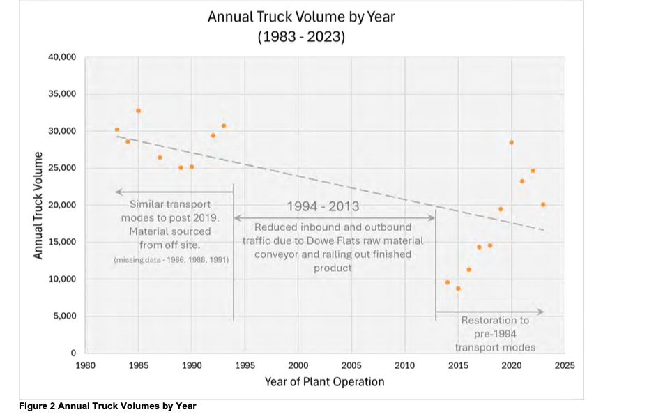
CEMEX Lyons - Average Daily Trips (ADT) by Year
 |  |  |  |  |  |  |  | Landis Report

Timeframe | Material | External or Local | Transport Mode | Vehicle Miles | Avg Tons / Year | Distance Miles | Source
Oct 1, 2022 to Present | Limestone | External (State/County Roads) | 25 Ton Highway Trucks | 2,520,000 | 350,000 | 90.0 | Weaver Mine, Laramie Wyoming
 | Shale | External (State/County Roads) | 25 Ton Highway Trucks | 980,000 | 350,000 | 35.0 | Arcosa Lightweight, 11728 Highway 93, Boulder, CO
Sep 18, 2018 to Sep 30, 2022 | Limestone | External | 25 Ton Highway Trucks | 2,520,000 | 350,000 | 90.0 | Weaver Mine, Laramie Wyoming
 | Shale | Local (Haul Roads) | Conveyor | N/A | 350,000 | 1.5 | Dowe Flats Mine, crossing Highway 66
August 18, 1997 to Sep 17, 2022 | LImestone | Local (Haul Roads) | Conveyor | N/A | 350,000 | 1.5 | Dowe Flats Mine, crossing Highway 66
 | Shale | Local (Haul Roads) | Conveyor | N/A | 350,000 | 1.5 | Dowe Flats Mine, crossing Highway 66
January 1997 to August 18th, 1997 | LImestone | Local (Haul Roads) | 85 Ton Haul Road Trucks | N/A | 350,000 | 1.0 | Lyons Quarry (Pits A, B, C, D, E)
 | Shale | Local (Haul Roads) | 85 Ton Haul Road Trucks | N/A | 350,000 | 1.0 | Lyons Quarry (Pits A, B, C, D, E)
[1993] to January, 1997 | Limestone | External (State/County Roads) | 25 Ton Highway Trucks | 132,000 | 150,000 | 11.0 | Larimer County Quarry
 | Shale | Local (Haul Roads) | 85 Ton Haul Road Trucks | N/A | 550,000 | 1.0 | Lyons Quarry (Pits A, B, C, D, E)
[1969] to [1993] | Limestone | Local (Haul Roads) | 85 Ton Haul Road Trucks | N/A | 350,000 | 1.0 | Lyons Quarry (Pits A, B, C, D, E)
 | Shale | Local (Haul Roads) | 85 Ton Haul Road Trucks | N/A | 350,000 | 1.0 | Lyons Quarry (Pits A, B, C, D, E)

Exhibit - Corrected Landis Repo
EXHIBIT [X] - Landis Appendix B with Correct Arithmetic Applied

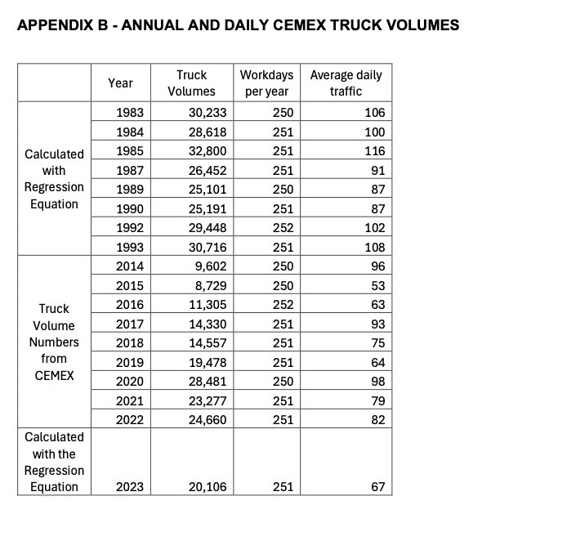
 | Year | Truck Volumes | Workdays Per Year | Average Daily Traffic | As Reported ADTs (Passenger Car Equivalent) | Corrected Average Daily Traffic Calculations | Corrected ADTs (Passenger Car Equivalent) | CEMEX Overstatement / (Understatement) of ADTs

Truck Volume Numbers from CEMEX | 2014 | 9602 | 250 | 96 | 576 | 38 | 230 | 346
 | 2015 | 8729 | 250 | 53 | 318 | 35 | 209 | 109
 | 2016 | 11305 | 252 | 63 | 378 | 45 | 269 | 109
 | 2017 | 14330 | 251 | 93 | 558 | 57 | 343 | 215
 | 2018 | 14557 | 251 | 75 | 450 | 58 | 348 | 102
 | 2019 | 19478 | 251 | 64 | 384 | 78 | 466 | (82)
 | 2020 | 28481 | 250 | 98 | 588 | 114 | 684 | (96)
 | 2021 | 23277 | 251 | 79 | 474 | 93 | 556 | (82)
 | 2022 | 24660 | 251 | 82 | 492 | 98 | 589 | (97)
Calculated with Regression Equation | 2023 | 20106 | 251 | 67 | 402 | 80 | 481 | (79)

Exhibit - Inbound ADTs
EXHIBIT [X] - CEMEX - As Repoted Inbound Raw Material ADTs

 | Year | Inbound Truck Volumes | Workdays Per Year | Average Daily Truck Volume | ADTs (Passenger Car Equivalent) | Median ADTs from 2009-2023
 | 2009 | 392 | 251 | 2 | 9 | 23
 | 2010 | 734 | 250 | 3 | 18 | 23
 | 2011 | 978 | 251 | 4 | 23 | 23
 | 2012 | 2234 | 251 | 9 | 53 | 23
 | 2013 | 639 | 251 | 3 | 15 | 23
 | 2014 | 798 | 250 | 3 | 19 | 23
 | 2015 | 639 | 250 | 3 | 15 | 23
 | 2016 | 798 | 252 | 3 | 19 | 23
 | 2017 | 607 | 251 | 2 | 15 | 23
 | 2018 | 1041 | 251 | 4 | 25 | 23
 | 2019 | 6807 | 251 | 27 | 163 | 23
 | 2020 | 12966 | 250 | 52 | 311 | 23
 | 2021 | 9838 | 251 | 39 | 235 | 23
 | 2022 | 9324 | 251 | 37 | 223 | 23
 | 2023 (through April) | 4090 | 81 | 50 | 303 | 23

CEMEX - As Reported Inbound Average Daily Trips
 |  | Median ADTs from 2009-2023

Exhibit - Total ADTs
EXHIBIT [X] - CEMEX - As Reported Total ADTs

 | Year | Inbound Truck Volumes | Outbound Truck Volumes | Workdays Per Year | Average Inbound Daily Truck Volume | Inbound ADTs (Passenger Car Equivalent) | Median Inbound ADTs from 2006-2023 | Average Outbound Daily Truck Volume | Outbound ADTs (Passenger Car Equivalent) | Median Outbound ADTs from 2006-2023 | Total ADTs | Median ADTs from 2009 to 2023)
 | 2009 | 392 | 9,407 | 251 | 2 | 9 | 23 | 37 | 225 | 297 | 234 | 269
 | 2010 | 734 | 9,290 | 250 | 3 | 18 | 23 | 37 | 223 | 297 | 241 | 269
 | 2011 | 978 | 9,338 | 251 | 4 | 23 | 23 | 37 | 223 | 297 | 247 | 269
 | 2012 | 2,234 | 9,028 | 251 | 9 | 53 | 23 | 36 | 216 | 297 | 269 | 269
 | 2013 | 639 | 8,808 | 251 | 3 | 15 | 23 | 35 | 211 | 297 | 226 | 269
 | 2014 | 798 | 8,438 | 250 | 3 | 19 | 23 | 34 | 203 | 297 | 222 | 269
 | 2015 | 639 | 8,090 | 250 | 3 | 15 | 23 | 32 | 194 | 297 | 209 | 269
 | 2016 | 798 | 10,507 | 252 | 3 | 19 | 23 | 42 | 250 | 297 | 269 | 269
 | 2017 | 607 | 13,723 | 251 | 2 | 15 | 23 | 55 | 328 | 297 | 343 | 269
 | 2018 | 1,041 | 13,516 | 251 | 4 | 25 | 23 | 54 | 323 | 297 | 348 | 269
 | 2019 | 6,807 | 12,671 | 251 | 27 | 163 | 23 | 50 | 303 | 297 | 466 | 269
 | 2020 | 12,966 | 15,515 | 250 | 52 | 311 | 23 | 62 | 372 | 297 | 684 | 269
 | 2021 | 9,838 | 13,439 | 251 | 39 | 235 | 23 | 54 | 321 | 297 | 556 | 269
 | 2022 | 9,324 | 15,336 | 251 | 37 | 223 | 23 | 61 | 367 | 297 | 589 | 269
 | 2023 (through April) | 4,090 | 3,938 | 81 | 50 | 303 | 23 | 49 | 292 | 297 | 595 | 269

CEMEX - As Reported Average Daily Trips

Exhibit - Feed to Clinker
 | Year | Feed Tons Per Year | Clinker Tons Per Year |  | Year | Feed Tons Per Year | Clinker Tons Per Year | Calculated Truck Volumes | Calculated Total ADTs
As Reported by CEMEX from CDPHE Inspection Reports | 2006 | 734,456 | 466,173 | As Reported by CEMEX from CDPHE Inspection Reports | 2006 | 734,456 | 466,173
 | 2005 | 739,260 | 440,384 |  | 2005 | 739,260 | 440,384
 | 2004 | 791,866 | 472,053 |  | 2004 | 791,866 | 472,053
 | 2003 | 830,428 | 512,251 |  | 2003 | 830,428 | 512,251
 | 2002 | 736,289 | 472,945 |  | 2002 | 736,289 | 472,945
 | 2001 | 760,801 | 494,460 |  | 2001 | 760,801 | 494,460
 | 2000 | 846,129 | 539,992 |  | 2000 | 846,129 | 539,992
 | 1999 | 845,049 | 500,031 |  | 1999 | 845,049 | 500,031
 | 1998 | 826,631 | 503,192 |  | 1998 | 826,631 | 503,192
 | 1996 | 754,404 | 430,272 |  | 1996 | 754,404 | 430,272
 | 1989 | 624,874 | 385,921 | Calculated By Regression Equation | 1994 | 419,229 | 286,048 | 19,880 | 477
 | 1987 | 493,292 | 352,161 |  | 1993 | 416,229 | 284,494 | 19,753 | 474
 | 1986 | 624,573 | 375,197 | As Reported by CEMEX from CDPHE Inspection Reports | 1989 | 624,874 | 385,921
 | 1985 | 784,705 | 444,804 |  | 1987 | 493,292 | 352,161
 | 1984 | 712,760 | 393,478 |  | 1986 | 624,573 | 375,197
 |  |  |  |  | 1985 | 784,705 | 444,804
 |  |  |  |  | 1984 | 712,760 | 393,478

Clinker Tons as a Function of Feed Tons Per Year
Landis Clinker Production and Annual Volumes
Year | Clinker Production (tons) | Truck Volume
2019 | 279,546 | 19,478
2020 | 388,572 | 28,481
2021 | 341,316 | 23,277
2022 | 336,085 | 24,660

Clinker Production (tons) and Truck Volume

Clinker Production (tons) and Truck Volume

Historical Data (Deprecated)
 | Operating Permit |  |  | 95OPBO082 |  |  |  |  |  |  |  |  |  |  |  |  |  |  |  |  | Tons Per Truck | 25 |  |  | Transport from Weaver to Colorado | TransPro Burgener
 | Airs ID |  |  | 013-0003 |  |  | Avg Ratio | 5.20 |  |  |  |  | Avg Ratio | 1.64 |  |  |  |  |  |  | Gallons Per Diesel Truck | 9000
 |  |  |  |  |  |  |  |  |  |  |  |  |  |  |  |  |  |  |  |  |  |  |  | Outbound |  |  |  |  | Inbound
 | Year | Pre Expansion ('97) Capacity | Post Expansion ('98) Capacity | NOX tpy |  | Feed tpy (P007) | Coal tons | lbs NOX / ton feed | Ratio (Feed: Landis Clinker) | Landis Report (Clinker) | Landis Report (Truck Vol) | Clinker tpy (P008) | Cement produced (P012) | Feed/Clinker | Feed/Cement | Operating Hours | Compliance? | # of Trucks Based on Std Weight | Inbound Trucks / Day | # of Trucks Inbound | Tons per Truck (Inbound) | # of Trucks Outbound | Tons Per Truck (Outbound) | Cement | CKD | LImestone | WYO Records | Ratio | Shale | Bauxite | Calcium Chloride | Ammonimum | Diesel | Gypsum | Sandstone | Total Inbound | Total Outbound | Total Trucks Inbound Or Outbound | Per Day
 | 2023 |  | 575,000 |  |  |  |  |  |  | 289,021 |  |  |  |  |  |  |  | 26,419 | 59 | 21,465 | 32.00 | 15,192 | 26.000 | 375,000 | 20,000 | 325,000 | 325,000 |  | 325,000 | 0 | 50 | 800 | 32.000 | 16,000 | 20,000 | 686,882 | 395,000 | 36,657 | 100.43
 | 2022 |  | 575,000 |  |  |  |  |  |  | 336,085 | 24,660 |  |  |  |  |  |  | 11,586 | 26 | 9,324 | 32.31 | 15,336 | 26.185 | 380,155 | 21,417 | 251,451 | 304,715 | 0.62617 | 20440 | 0 | 57 | 838 | 31.974 | 16,205 | 12,209 | 301,233 | 401,572 | 24,660 | 67.56
 | 2021 | 450,000 | 575,000 |  |  |  |  |  |  | 341,316 | 23,277 |  |  |  |  |  |  | 11,939 | 27 | 9,838 | 31.55 | 13,439 | 26.362 | 334,365 | 19,913 | 287,283 | 441,615 | 0.81090 | 3092 | 1131 | 125 | 551 | 25.384 | 18,196 | 0 | 310,404 | 354,278 | 23,277 | 63.77
 | 2020 | 450,000 | 575,000 | 162 |  | 605,800 |  |  | 1.559 | 388,572 | 28,481 | 387,584 | 395,071 | 1.56 | 1.53 |  | N | 13,795 | 36 | 12,966 | 27.66 | 15,515 | 26.389 | 402,134 | 7,294 | 334,354 | 443,714 | 0.81664 | 0 | 4452 | 214 | 553 | 23.323 | 19,064 | 0 | 358,661 | 409,428 | 28,481 | 78.03
 | 2019 | 450,000 | 575,000 | 220 |  | 517,217 |  |  | 1.850 | 279,546 | 19,478 | 326,254 | 249,747 | 1.59 | 2.07 | 5991 | N |  |  | 7,518 |  | 12,671 | 19.710 | 249,747 |  |  | 245778 |  |  |  |  |  |  |  |  | 245778 | 249,747 | 20,189 | 55.31
 | 2018 | 450,000 | 575,000 | 250 |  |  |  |  | 0.000 | 313,276 |  |  |  |  |  |  | N |  |  |  |  | 14,550 | 26.000 | 378,311 |  |  |  |  |  |  |  |  |  |  |  | 0 | 378,311 | 14,550 | 39.86
 | 2017 | 450,000 | 575,000 | 280 |  | 566,401 |  |  | 1.529 | 370,385 | 14,330 | 355,435 | 378,311 | 1.59 | 1.50 | 5352 | N |  |  |  |  | 13,409 | 26.000 | 348,633 |  |  |  |  |  |  |  |  |  |  |  | 0 | 348,633 | 13,409 | 36.74
 | 2016 | 450,000 | 575,000 | 244 |  | 512,856 |  |  | 1.860 | 275,799 | 11,305 | 316,058 | 348,633 | 1.62 | 1.47 | 5795 | N |  |  |  |  | 13,409 | 26.000 | 348,633 |  |  |  |  |  |  |  |  |  |  |  | 0 | 348,633 | 13,409 | 36.74
 | 2015 | 450,000 | 575,000 | 191 |  | 424,996 |  |  | 1.741 | 244,074 | 8,729 | 274,469 | 257,488 | 1.55 | 1.65 | 4371 | N |  |  |  |  | 12,123 | 26.000 | 315,199 |  |  |  |  |  |  |  |  |  |  |  | 0 | 315,199 | 12,123 | 33.21
July '14 to July '15 | 2014 | 450,000 | 575,000 | 503 |  | 441,253 |  |  | 1.156 | 381,810 | 9,602 | 274,469 | 315,199 | 1.61 | 1.40 | 4317 |  |  |  |  |  | 14,213 | 26.000 | 369,528 |  |  |  |  |  |  |  |  |  |  |  | 0 | 369,528 | 14,213 | 38.94
Part of '13 and '14 | 2013 | 450,000 | 575,000 | 768 |  | 552,638 |  |  |  |  | 10,692 | 341,377 | 369,528 | 1.62 | 1.50 | 5659 |  |  |  |  |  | 14,213 | 26.000 | 369,528 |  |  |  |  |  |  |  |  |  |  |  | 0 | 369,528 | 14,213 | 38.94
 | 2012 | 450,000 | 575,000 |  |  |  |  |  |  |  | 11,262
 | 2011 | 450,000 | 575,000 | 900 |  | 648,369 |  |  |  |  | 10,316 | 390,132 | 446,683 | 1.66 | 1.45 | 6598 |  |  |  |  |  | 13,133 | 26.000 | 341,448 |  |  |  |  |  |  |  |  |  |  |  | 0 | 341,448 | 13,133 | 35.98
 | 2010 | 450,000 | 575,000 | 691 |  | 541,079 |  |  |  |  | 10,024 | 321,788 | 341,448 | 1.68 | 1.58 | 5249 |  |  |  |  |  | 11,876 | 26.000 | 308,779 |  |  |  |  |  |  |  |  |  |  |  | 0 | 308,779 | 11,876 | 32.54
 | 2009 | 450,000 | 575,000 | 578 |  | 463,398 |  |  |  |  | 9,799 | 281,906 | 308,779 | 1.64 | 1.50 | 4464 |  |  |  |  |  | 11,876 | 26.000 | 308,779 |  |  |  |  |  |  |  |  |  |  |  | 0 | 308,779 | 11,876 | 32.54
 | 2008 | 450,000 | 575,000 | 947 |  | 501,317 |  |  |  |  | 17,805 | 311,302 | 315,398 | 1.61 | 1.59 | 4910 |  |  |  |  |  | 21,158 | 26.000 | 550,109 |  |  |  |  |  |  |  |  |  |  |  | 0 | 550,109 | 21,158 | 57.97
 | 2007 | 450,000 | 575,000 | 1,683 | 1,380 | 788,780 |  |  |  |  | 21,008 | 479,225 | 550,109 | 1.65 | 1.43 | 7941 |  |  |  |  |  | 17,615 | 26.000 | 457,997 |  |  |  |  |  |  |  |  |  |  |  | 0 | 457,997 | 17,615 | 48.26
 | 2006 | 450,000 | 575,000 | 2,462 | 2,019 | 734,456 | 97,667 | 6.71 |  |  | 19,431 | 466,173 | 457,997 | 1.58 | 1.60 | 7921 |  |  |  |  |  | 17,615 | 26.000 | 457,997 |  |  |  |  |  |  |  |  |  |  |  | 0 | 457,997 | 17,615 | 48.26
 | 2005 | 450,000 | 575,000 | 1,943 | 1,593 | 739,260 | 86,730 | 5.26 |  |  |  | 440,384 | 492840 | 1.68 | 1.50 |  |  |  |  |  |  | 18,955 | 26.000 | 492840 |  |  |  |  |  |  |  |  |  |  |  | 0 | 492840 | 18,955 | 51.93
 | 2004 | 450,000 | 575,000 | 2,125 | 1,743 | 791,866 | 96,796 | 5.37 |  |  |  | 472,053 | - | 1.68 |  |  |  |  |  |  |  | 21,293 | 26.000 | 553,619 |  |  |  |  |  |  |  |  |  |  |  | 0 | 553,619 | 21,293 | 58.34
 | 2003 | 450,000 | 575,000 | 2,335 | 1,915 | 830,428 | 99,919 | 5.62 |  |  |  | 512,251 | 553,619 | 1.62 |  |  |  |  |  |  |  | 21,293 | 26.000 | 553,619 |  |  |  |  |  |  |  |  |  |  |  | 0 | 553,619 | 21,293 | 58.34
 | 2002 | 450,000 | 575,000 | 2,178 | 1,786 | 736,289 |  | 5.92 |  |  |  | 472,945 | 490,859 | 1.56 |  |  |  |  |  |  |  | 19,508 | 26.000 | 507,201 |  |  |  |  |  |  |  |  |  |  |  | 0 | 507,201 | 19,508 | 53.45
 | 2001 | 450,000 | 575,000 | 2,362 | 2,362 | 760,801 |  | 6.21 |  |  |  | 494,460 | 507,201 | 1.54 |  |  |  |  |  |  |  | 21,696 | 26.000 | 564,086 |  |  |  |  |  |  |  |  |  |  |  | 0 | 564,086 | 21,696 | 59.44
 | 2000 | 450,000 | 575,000 | 2,162 | 2,162 | 846,129 |  | 5.11 |  |  |  | 539,992 | 564,086 | 1.57 |  |  |  |  |  |  |  | 21,696 | 26.000 | 564,086 |  |  |  |  |  |  |  |  |  |  |  | 0 | 564,086 | 21,696 | 59.44
 | 1999 | 450,000 | 575,000 | 1,974 | 1,974 | 845,049 |  | 4.67 |  |  |  | 500,031 | 435,795 | 1.69 | 1.94 |  |  |  |  |  |  | 18,702 | 26.000 | 486,254 |  |  |  |  |  |  |  |  |  |  |  | 0 | 486,254 | 18,702 | 51.24
 | 1998 | 450,000 | 575,000 | 1,708 | 1,708 | 826,631 |  | 4.13 |  |  |  | 503,192 | 486,254 | 1.64 |  |  |  |  |  |  |  | 0 | 26.000 | 0 |  |  |  |  |  |  |  |  |  |  |  | 0 | 0 | 0 | 0.00
 | 1997 | 450,000 | 575,000 | 1,837 | 1,837 |  |  | 4.87 |  |  |  | 430,272 | 0 | 1.70 |  |  |  |  |  |  |  | 0 | 26.000 | 0 |  |  |  |  |  |  |  |  |  |  |  | 0 | 0 | 0 | 0.00
 | 1996 | 450,000 |  | 1,837 | 1,837 | 754,404 |  | 3.93 |  |  |  | 430,272 | 443,767 | 1.75 |  |  |  |  |  |  |  | 17,068 | 26.000 | 443,767 |  |  |  |  |  |  |  |  |  |  |  | 0 | 443,767 | 17,068 | 46.76
 | 1995 | 450,000 |  | 1,696 | 1,696 | 735,768 |  | 4.61 |  |  |  | 425,274 | 432,805 | 1.64 |  |  |  |  |  |  |  | 16,646 | 26.000 | 432,805 |  |  |  |  |  |  |  |  |  |  |  | 0 | 432,805 | 16,646 | 45.61
 | 1994 | 450,000 |  | 103 |  | 748,065 |  | 0.49 |  |  |  | 456,137 | 440,038 | 1.64 |  |  |  |  |  |  |  | 16,925 | 26.000 | 440,038 |  |  |  |  |  |  |  |  |  |  |  | 0 |  | 16,925 | 46.37
 | 1993 | 450,000 |  | 47 |  |  |  | 0.23 | 0.000 | 419,320 | 30,716 | 0 | 0 | 1.64 |  |  |  |  |  |  |  | 0 | 26.000 | 0 |  |  |  |  |  |  |  |  |  |  |  | 0 |  | 0 | 0.00
 | 1992 | 450,000 |  | 1,340 |  |  |  |  | 0.000 | 403,670 | 29,448 | 0 | 0 | 1.64 |  |  |  |  |  |  |  | 0 | 26.000 | 0 |  |  |  |  |  |  |  |  |  |  |  | 0 |  | 0 | 0.00
 | 1991 | 450,000 |  | 1,340 |  |  |  |  |  |  |  | 180,125 | 0 | 1.64 |  |  |  |  |  |  |  | 0 | 26.000 | 0 |  |  |  |  |  |  |  |  |  |  |  | 0 |  | 0 | 0.00
 | 1990 | 450,000 |  | 1,339 |  | 590,810 |  | 4.53 | 1.681 | 351,419 | 25,191 | 360,250 | 347,535 | 1.64 |  |  |  |  |  |  |  | 13,367 | 26.000 | 347,535 |  |  |  |  |  |  |  |  |  |  |  | 0 |  | 13,367 | 36.62
 | 1989 | 450,000 |  | 501 |  | 624,874 |  | 1.6 | 1.784 | 350,316 | 25,101 | 385,921 | 367,573 | 1.62 |  |  |  |  |  |  |  |  |  | 367,573 |  |  |  |  |  |  |  |  |  |  |  | 0
 | 1988 | 450,000 |  | 480 |  |  |  | 1.73 |  |  |  | 369,041 | 0 | 1.51 |  |  |  |  |  |  |  |  |  |  |  |  |  |  |  |  |  |  |  |  |  | 0
 | 1987 | 450,000 |  | 458 |  | 493,292 |  | 1.86 | 1.344 | 366,901 | 26,452 | 352,161 | 290,172 | 1.40 |  |  |  |  |  |  |  |  |  |  |  |  |  |  |  |  |  |  |  |  |  | 0
 | 1986 | 450,000 |  | 488 |  | 624,573 |  | 1.56 |  |  |  | 375,197 | 367,396 | 1.66 |  |  |  |  |  |  |  |  |  |  |  |  |  |  |  |  |  |  |  |  |  | 0
 | 1985 | 450,000 |  | 549 |  | 784,705 |  | 1.4 | 1.764 | 444,808 | 32,800 | 444,808 | 422593 | 1.76 |  |  |  |  |  |  |  |  |  |  |  |  |  |  |  |  |  |  |  |  |  | 0
 | 1984 | 450,000 |  | 540 |  | 712,760 |  | 1.51 | 1.811 | 393,478 | 28,618 | 393,478 | 415119 | 1.81 |  |  |  |  |  |  |  |  |  |  |  |  |  |  |  |  |  |  |  |  |  | 0
 | 1983 | 450,000 |  |  |  |  |  |  |  | 413,300 | 30,233
 | 1979 | 450,000 |  | 277 |  |  |  |  |  |  |  |  |  |  |  |  |  |  |  |  |  |  |  |  |  |  |  |  |  |  |  |  |  |  |  | 0
 | 1973 | 450,000 |  | 520 |  |  |  |  |  |  |  |  |  |  |  |  |  |  |  |  |  |  |  |  |  |  |  |  |  |  |  |  |  |  |  | 0

CEMEX Lyons Production vs Capacity
 | Capacity Before Expansion Project | Capacity After Expansion Project (1998) | Clinker Production

Misc
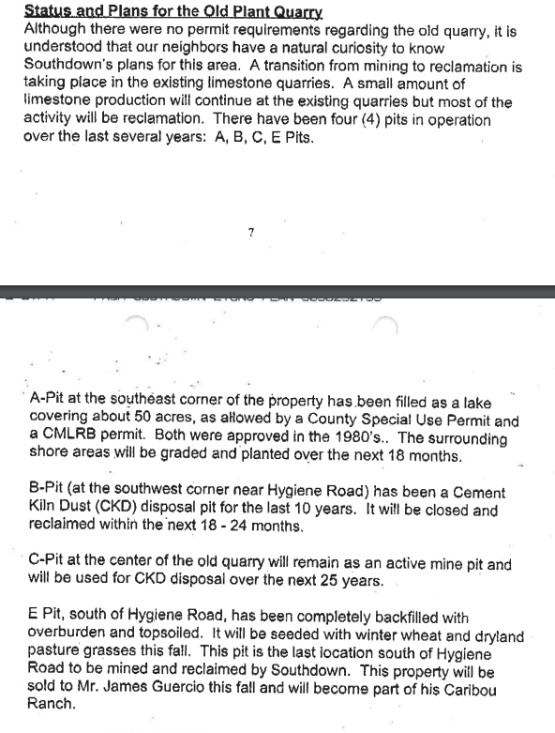
CDPHE Operating Permit | 95OPBO082 | C-12,444 | C-12,44-1
CDPHE AIRS ID | 013-0003
 | 013-0095 | Southwestern Portland Cement
 | 013-0314 | Martin Marietta Mtrls - Lyons Pit

Formulas
Tons Per Inbound Truck | Tons Inbound Material Divided by # of Inbound Trucks
Landis Regression Equation (Estimated) | y=0.08x−3426.98
Computing Raw Materials | Q("Raw Material Kiln Feed -Tons") = 7,678+ 1.6103 * Clinker Production Tons

Quarries
